GPS1
Raw GPS | B6 (Binary Classification) | Agness33_1.csv |  | 0 | 1 |  | GPS Eval. | Building name: | Agnesstr.33
7 | 0 |  |  | outdoor | indoor
7 | 0
12 | 0
16 | 0 |  | Raw | Magnetic
16 | 0 |  | flags | Binary classification result
16 | 0
12 | 0 |  |  |  |  |  |  |  | Ground Truth
12 | 0 |  | n= 307 |  | indoor | outdoor | SUM |  | 114
12 | 0 |  |  |  | T | F
12 | 0 |  | indoor | T | 187 | 6 | 193 | sum | 307
24 | 0 |  | outdoor | F | 0 | 114 | 114
8 | 0 |  | SUM |  | 187 | 120
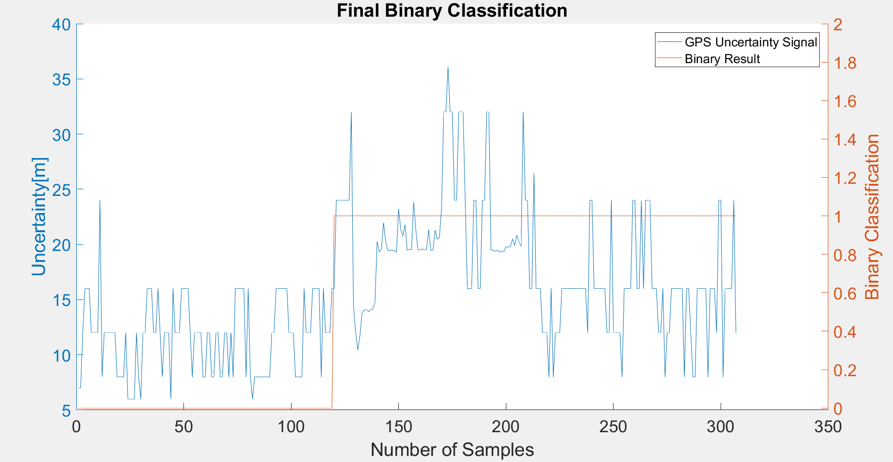
12 | 0
12 | 0 |  |  |  | sum | 307
12 | 0
12 | 0 |  | TP or (Recall) | 0.9689119171
12 | 0 |  | TN | 1
12 | 0 |  | Precision | 1
8 | 0 |  | Accuracy | 0.98045602606
8 | 0 |  | F Score | 0.98421052632
8 | 0
8 | 0
12 | 0 |  | Ground truth: | large edges of GPS signal at entrances
6 | 0
6 | 0
6 | 0
6 | 0
12 | 0
8 | 0
6 | 0
12 | 0
12 | 0
16 | 0
16 | 0
16 | 0
12 | 0
12 | 0
16 | 0
12 | 0
8 | 0
12 | 0
12 | 0
12 | 0
6 | 0
16 | 0
12 | 0
12 | 0
12 | 0
16 | 0
16 | 0
16 | 0
16 | 0
12 | 0
8 | 0
12 | 0
12 | 0
12 | 0
12 | 0
8 | 0
8 | 0
12 | 0
12 | 0
8 | 0
8 | 0
12 | 0
12 | 0
8 | 0
8 | 0
12 | 0
12 | 0
8 | 0
12 | 0
8 | 0
16 | 0
16 | 0
16 | 0
16 | 0
16 | 0
8 | 0
16 | 0
8 | 0
6 | 0
8 | 0
8 | 0
8 | 0
8 | 0
8 | 0
8 | 0
8 | 0
8 | 0
12 | 0
12 | 0
16 | 0
16 | 0
16 | 0
16 | 0
16 | 0
16 | 0
12 | 0
12 | 0
12 | 0
8 | 0
8 | 0
8 | 0
8 | 0
16 | 0
12 | 0
12 | 0
12 | 0
16 | 0
16 | 0
16 | 0
16 | 0
8 | 0
16 | 0
12 | 0
12 | 0
12 | 0
16 | 0
16 | 1
24 | 1
24 | 1
24 | 1
24 | 1
24 | 1
24 | 1
24 | 1
32 | 1
14.404999733 | 1
12.095999718 | 1
10.446000099 | 1
11.727000237 | 1
13.789999962 | 1
14.032999992 | 1
14.114999771 | 1
13.904000282 | 1
14.097999573 | 1
14.130999565 | 1
14.732000351 | 1
20.288999557 | 1
19.320999146 | 1
19.597000122 | 1
21.966999054 | 1
20.190000534 | 1
19.489999771 | 1
19.478000641 | 1
19.482000351 | 1
19.451999664 | 1
19.301000595 | 1
23.208000183 | 1
21.361000061 | 1
20.753000259 | 1
21.788000107 | 1
19.458999634 | 1
19.562999725 | 1
19.517000198 | 1
23.846000671 | 1
21.357000351 | 1
19.49200058 | 1
19.524999619 | 1
19.597000122 | 1
19.51199913 | 1
19.510000229 | 1
21.333000183 | 1
19.478000641 | 1
19.475999832 | 1
21.288000107 | 1
20.489999771 | 1
20.625 | 1
23.357000351 | 1
32 | 1
32 | 1
36.084999084 | 1
32 | 1
32 | 1
24 | 1
24 | 1
32 | 1
32 | 1
32 | 1
24 | 1
16 | 1
16 | 1
16 | 1
24 | 1
24 | 1
16 | 1
16 | 1
24 | 1
24 | 1
32 | 1
32 | 1
19.493999481 | 1
19.475000381 | 1
19.381000519 | 1
19.472999573 | 1
19.298000336 | 1
19.423000336 | 1
19.340000153 | 1
19.822999954 | 1
19.74200058 | 1
19.804000854 | 1
20.49200058 | 1
19.899000168 | 1
20.843999863 | 1
20.245000839 | 1
19.843999863 | 1
32 | 1
24 | 1
24 | 1
16 | 1
16 | 1
26.423999786 | 1
16 | 1
16 | 1
16 | 1
12 | 1
12 | 1
12 | 1
8 | 1
16 | 1
8 | 1
12 | 1
12 | 1
12 | 1
16 | 1
16 | 1
16 | 1
16 | 1
16 | 1
16 | 1
16 | 1
16 | 1
16 | 1
16 | 1
16 | 1
16 | 1
12 | 1
24 | 1
24 | 1
16 | 1
16 | 1
16 | 1
16 | 1
16 | 1
16 | 1
12 | 1
12 | 1
24 | 1
12 | 1
12 | 1
12 | 1
12 | 1
8 | 1
16 | 1
16 | 1
16 | 1
16 | 1
24 | 1
24 | 1
16 | 1
16 | 1
24 | 1
16 | 1
24 | 1
24 | 1
24 | 1
16 | 1
16 | 1
16 | 1
12 | 1
12 | 1
16 | 1
8 | 1
12 | 1
12 | 1
16 | 1
16 | 1
16 | 1
16 | 1
16 | 1
16 | 1
8 | 1
16 | 1
16 | 1
12 | 1
8 | 1
8 | 1
16 | 1
16 | 1
16 | 1
16 | 1
16 | 1
8 | 1
16 | 1
16 | 1
16 | 1
12 | 1
24 | 1
24 | 1
8 | 1
16 | 1
16 | 1
16 | 1
16 | 1
24 | 1
12 | 1

GPS2
Raw GPS | B6 (Binary Classification) | Agness33_2.csv |  | 0 | 1 |  | GPS Eval. | Building name: | Agnesstr.33
7 | 1 |  |  | outdoor | indoor
7 | 1
12 | 1
12 | 1 |  | Raw | Magnetic
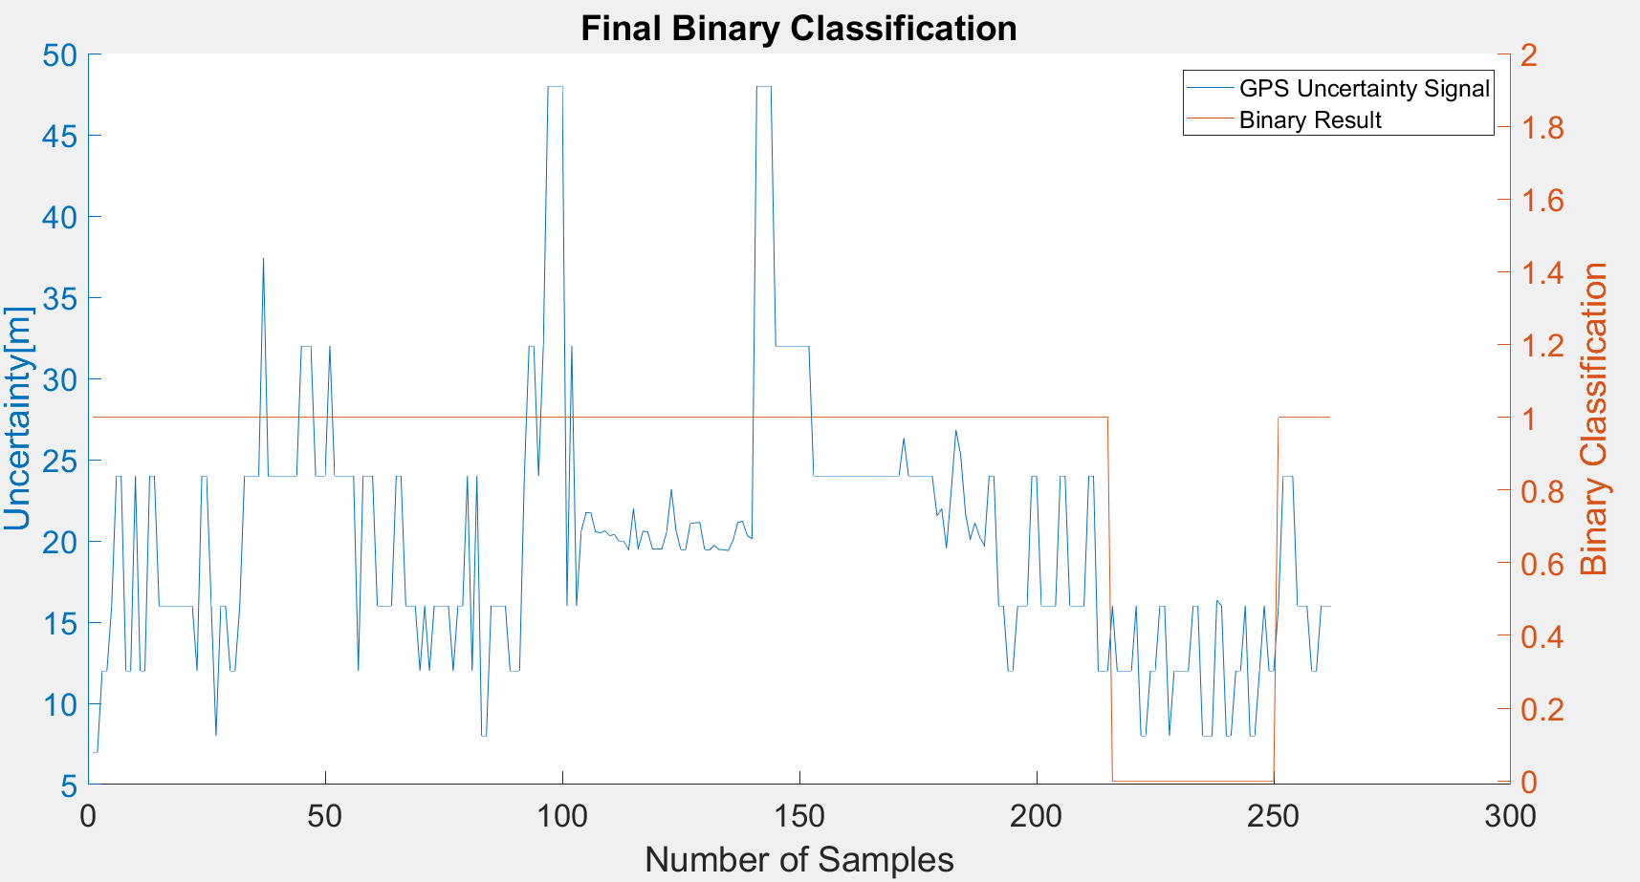
16 | 1 |  | flags | Binary classification result
24 | 1
24 | 1
12 | 1 |  | n= 262 |  | indoor | outdoor | SUM
12 | 1 |  |  |  | T | F
24 | 1 |  | indoor | T | 124 | 0 | 124 | sum | 262
12 | 1 |  | outdoor | F | 103 | 35 | 138
12 | 1 |  | SUM |  | 227 | 35
24 | 1
24 | 1 |  |  |  | sum | 262
16 | 1
16 | 1 |  | TP or (Recall) | 1
16 | 1 |  | TN | 0.25362318841
16 | 1 |  | Precision | 0.54625550661
16 | 1 |  | Accuracy | 0.60687022901
16 | 1 |  | F Score | 0.70655270655
16 | 1 |  |  |  |  |  |  |  |  |  |  | Synchronised light and GPS
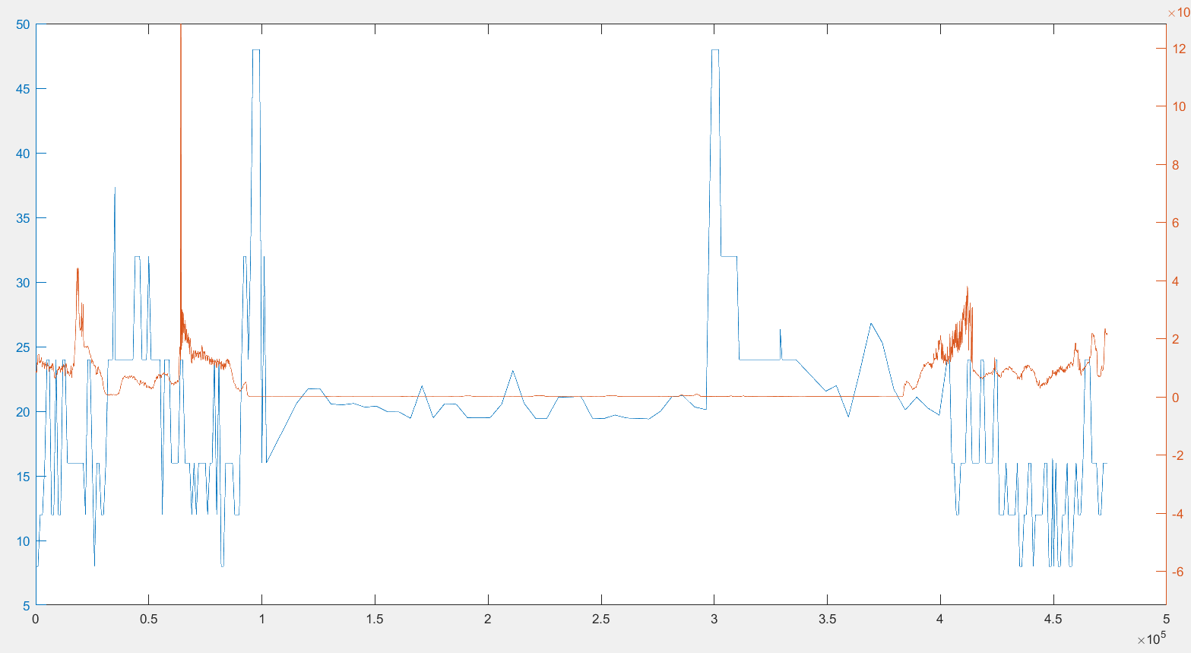
16 | 1 |  |  |  |  |  |  |  | Ground Truth
12 | 1 |  | Ground truth: | large edges of GPS or light signal at entrances |  |  |  |  | 92 | 216
24 | 1
24 | 1
16 | 1
8 | 1
16 | 1
16 | 1
12 | 1
12 | 1
16 | 1
24 | 1
24 | 1
24 | 1
24 | 1
37.36700058 | 1
24 | 1
24 | 1
24 | 1
24 | 1
24 | 1
24 | 1
24 | 1
32 | 1
32 | 1
32 | 1
24 | 1
24 | 1
24 | 1
32 | 1
24 | 1
24 | 1
24 | 1
24 | 1
24 | 1
12 | 1
24 | 1
24 | 1 |  |  |  |  |  |  |  |  |  | 67 |  | 215
24 | 1
16 | 1
16 | 1
16 | 1
16 | 1
24 | 1
24 | 1
16 | 1
16 | 1
16 | 1
12 | 1
16 | 1
12 | 1
16 | 1
16 | 1
16 | 1
16 | 1
12 | 1
16 | 1
16 | 1
24 | 1
12 | 1
24 | 1
8 | 1
8 | 1
16 | 1
16 | 1
16 | 1
16 | 1
12 | 1
12 | 1
12 | 1
24 | 1
32 | 1
32 | 1
24 | 1
32 | 1
48 | 1
48 | 1
48 | 1
48 | 1
16 | 1
32 | 1
16 | 1
20.607999802 | 1
21.724000931 | 1
21.76199913 | 1
20.555999756 | 1
20.493000031 | 1
20.6060009 | 1
20.315000534 | 1
20.396999359 | 1
19.947999954 | 1
19.943000793 | 1
19.461000443 | 1
21.966999054 | 1
19.496999741 | 1
20.589000702 | 1
20.562000275 | 1
19.500999451 | 1
19.48900032 | 1
19.500999451 | 1
20.551000595 | 1
23.158000946 | 1
20.584999084 | 1
19.452999115 | 1
19.457000732 | 1
21.073999405 | 1
21.11000061 | 1
21.13299942 | 1
19.469999313 | 1
19.427999496 | 1
19.711000443 | 1
19.475999832 | 1
19.445999146 | 1
19.406999588 | 1
20.003000259 | 1
21.134000778 | 1
21.204000473 | 1
20.329000473 | 1
20.121999741 | 1
48 | 1
48 | 1
48 | 1
48 | 1
32 | 1
32 | 1
32 | 1
32 | 1
32 | 1
32 | 1
32 | 1
32 | 1
24 | 1
24 | 1
24 | 1
24 | 1
24 | 1
24 | 1
24 | 1
24 | 1
24 | 1
24 | 1
24 | 1
24 | 1
24 | 1
24 | 1
24 | 1
24 | 1
24 | 1
24 | 1
24 | 1
26.320999146 | 1
24 | 1
24 | 1
24 | 1
24 | 1
24 | 1
24 | 1
21.545999527 | 1
21.979000092 | 1
19.561000824 | 1
23.068000793 | 1
26.829999924 | 1
25.280000687 | 1
21.715000153 | 1
20.099000931 | 1
21.097999573 | 1
20.23900032 | 1
19.701000214 | 1
24 | 1
24 | 1
16 | 1
16 | 1
12 | 1
12 | 1
16 | 1
16 | 1
16 | 1
24 | 1
24 | 1
16 | 1
16 | 1
16 | 1
16 | 1
24 | 1
24 | 1
16 | 1
16 | 1
16 | 1
16 | 1
24 | 1
24 | 1
12 | 1
12 | 1
12 | 1
16 | 0
12 | 0
12 | 0
12 | 0
12 | 0
16 | 0
8 | 0
8 | 0
12 | 0
12 | 0
16 | 0
16 | 0
8 | 0
12 | 0
12 | 0
12 | 0
12 | 0
16 | 0
16 | 0
8 | 0
8 | 0
8 | 0
16.346000671 | 0
16 | 0
8 | 0
8 | 0
12 | 0
12 | 0
16 | 0
8 | 0
8 | 0
12 | 0
16 | 0
12 | 0
12 | 0
16 | 1
24 | 1
24 | 1
24 | 1
16 | 1
16 | 1
16 | 1
12 | 1
12 | 1
16 | 1
16 | 1
16 | 1

GPS3
Raw GPS | B6 (Binary Classification) | Agness33_3.csv |  | 0 | 1 |  | GPS Eval. | Building name: | Agnesstr.33
7 | 1 |  |  | outdoor | indoor
7 | 1 |  |  |  |  |  |  |  |  |  |  | Synchronised GPS and light
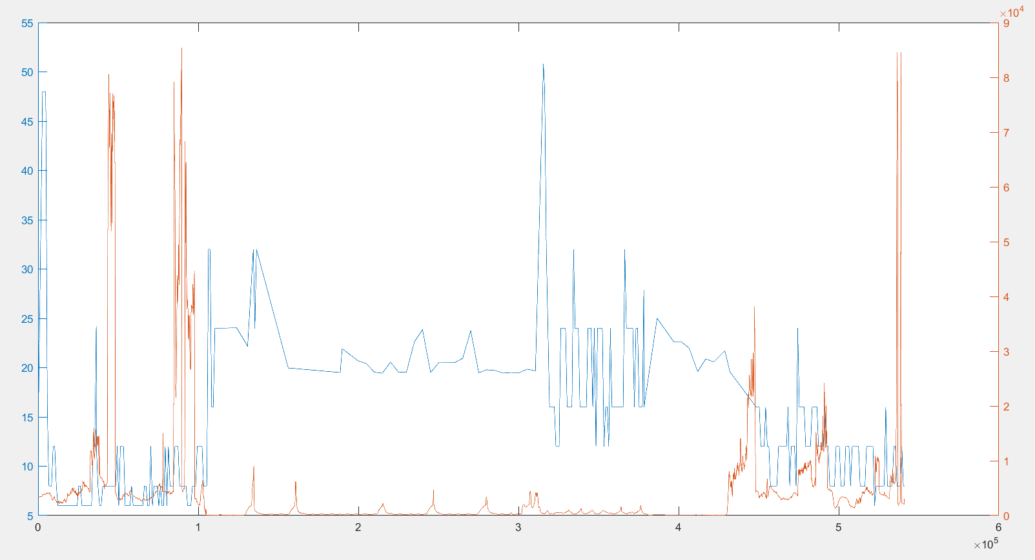
48 | 1
48 | 1 |  | Raw | Magnetic
16 | 1 |  | flags | Binary classification result
8 | 1
8 | 1
8 | 1 |  | n= 310 |  | indoor | outdoor | SUM
12 | 1 |  |  |  | T | F
12 | 0 |  | indoor | T | 109 | 4 | 113 | sum | 310
8 | 0 |  | outdoor | F | 9 | 188 | 197
6 | 0 |  | SUM |  | 118 | 192
6 | 0
6 | 0 |  |  |  | sum | 310
6 | 0
6 | 0 |  | TP or (Recall) | 0.96460176991
6 | 0 |  | TN | 0.95431472081
6 | 0 |  | Precision | 0.92372881356
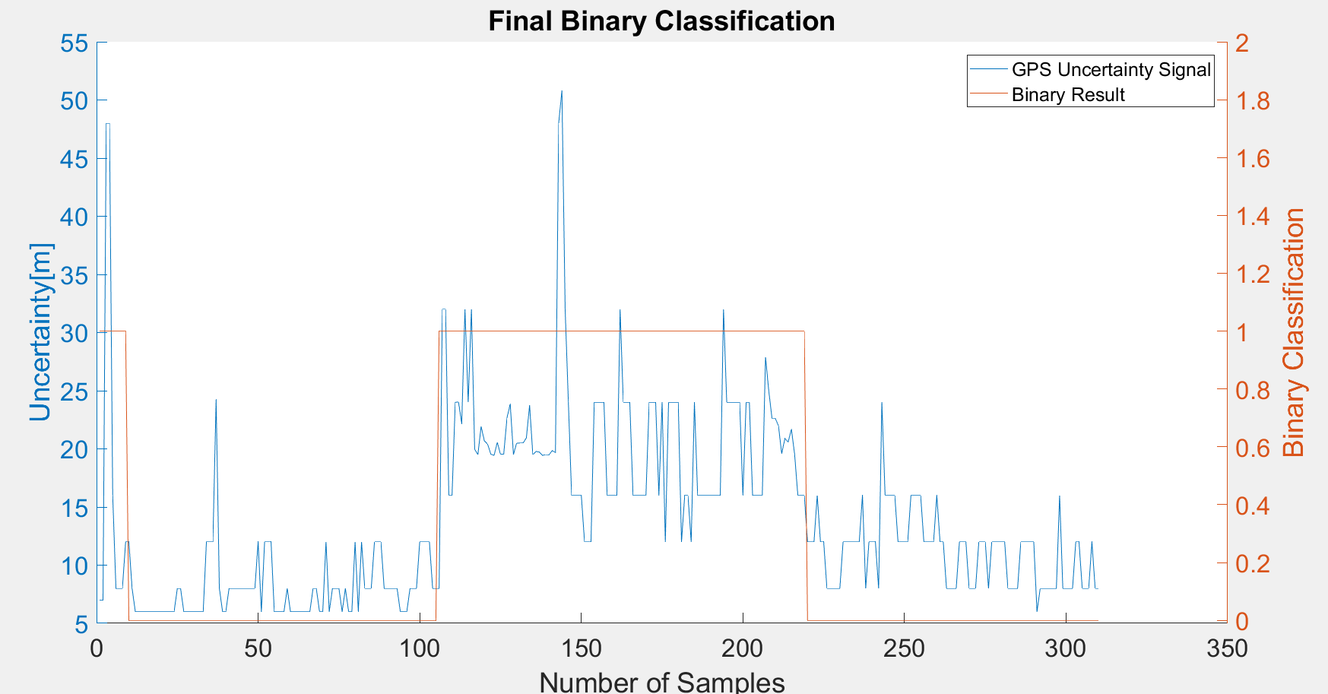
6 | 0 |  | Accuracy | 0.95806451613
6 | 0 |  | F Score | 0.94372294372
6 | 0 |  |  |  |  |  |  |  |  | Ground Truth
6 | 0 |  |  |  |  |  |  |  |  | 106 | 215
6 | 0 |  | Ground truth: | large edges of GPS or light signal at entrances
6 | 0
8 | 0
8 | 0
6 | 0
6 | 0
6 | 0
6 | 0
6 | 0
6 | 0
6 | 0
12 | 0
12 | 0
12 | 0
24.229000092 | 0
8 | 0
6 | 0
6 | 0
8 | 0
8 | 0
8 | 0
8 | 0
8 | 0
8 | 0
8 | 0
8 | 0
8 | 0
12 | 0
6 | 0
12 | 0
12 | 0
12 | 0
6 | 0
6 | 0
6 | 0
6 | 0
8 | 0
6 | 0
6 | 0
6 | 0
6 | 0
6 | 0
6 | 0
6 | 0
8 | 0
8 | 0
6 | 0
6 | 0
12 | 0
6 | 0
8 | 0
8 | 0
8 | 0
6 | 0
8 | 0
6 | 0
6 | 0
12 | 0
6 | 0
12 | 0
8 | 0
8 | 0
8 | 0
12 | 0
12 | 0
12 | 0
8 | 0
8 | 0
8 | 0
8 | 0
8 | 0
6 | 0
6 | 0
6 | 0
8 | 0
8 | 0
8 | 0
12 | 0
12 | 0
12 | 0
12 | 0
8 | 0
8 | 0
8 | 1
32 | 1
32 | 1
16 | 1
16 | 1
24 | 1
24.031000137 | 1
22.169000626 | 1
32 | 1
24 | 1
32 | 1
19.968000412 | 1
19.50399971 | 1
21.933000565 | 1
20.691999435 | 1
20.415000916 | 1
19.542999268 | 1
19.436000824 | 1
20.562000275 | 1
19.524000168 | 1
19.562000275 | 1
22.6439991 | 1
23.864999771 | 1
19.50799942 | 1
20.489999771 | 1
20.502000809 | 1
20.503000259 | 1
20.945999146 | 1
23.750999451 | 1
19.48900032 | 1
19.778999329 | 1
19.714000702 | 1
19.441999435 | 1
19.509000778 | 1
19.486999512 | 1
19.847999573 | 1
19.680000305 | 1
48 | 1
50.808998108 | 1
32 | 1
24 | 1
16 | 1
16 | 1
16 | 1
16 | 1
12 | 1
12 | 1
12 | 1
24 | 1
24 | 1
24 | 1
24 | 1
16 | 1
16 | 1
16 | 1
16 | 1
32 | 1
24 | 1
24 | 1
24 | 1
16 | 1
16 | 1
16 | 1
16 | 1
16 | 1
24 | 1
24 | 1
24 | 1
16 | 1
24 | 1
12 | 1
24 | 1
24 | 1
24 | 1
24 | 1
12 | 1
16 | 1
16 | 1
12 | 1
24 | 1
16 | 1
16 | 1
16 | 1
16 | 1
16 | 1
16 | 1
16 | 1
16 | 1
32 | 1
24 | 1
24 | 1
24 | 1
24 | 1
24 | 1
16 | 1
24 | 1
24 | 1
16 | 1
16 | 1
16 | 1
16 | 1
27.891000748 | 1
25.000999451 | 1
22.638999939 | 1
22.63699913 | 1
21.99200058 | 1
19.597000122 | 1
20.888000488 | 1
20.583999634 | 1
21.698999405 | 1
19.555000305 | 1
16 | 1
16 | 1
16 | 1
12 | 0
12 | 0
12 | 0
16 | 0
12 | 0
12 | 0
8 | 0
8 | 0
8 | 0
8 | 0
8 | 0
12 | 0
12 | 0
12 | 0
12 | 0
12 | 0
12 | 0
16 | 0
8 | 0
12 | 0
12 | 0
12 | 0
8 | 0
24 | 0
16 | 0
16 | 0
16 | 0
16 | 0
12 | 0
12 | 0
12 | 0
12 | 0
16 | 0
16 | 0
16 | 0
16 | 0
12 | 0
12 | 0
12 | 0
12 | 0
16 | 0
12 | 0
12 | 0
8 | 0
8 | 0
8 | 0
8 | 0
12 | 0
12 | 0
12 | 0
8 | 0
8 | 0
8 | 0
12 | 0
12 | 0
12 | 0
8 | 0
12 | 0
12 | 0
12 | 0
12 | 0
12 | 0
8 | 0
8 | 0
8 | 0
8 | 0
12 | 0
12 | 0
12 | 0
12 | 0
12 | 0
6 | 0
8 | 0
8 | 0
8 | 0
8 | 0
8 | 0
8 | 0
16 | 0
8 | 0
8 | 0
8 | 0
8 | 0
12 | 0
12 | 0
8 | 0
8 | 0
8 | 0
12 | 0
8 | 0
8 | 0

GPS4
Raw GPS | B6 (Binary Classification) | Agness33_4.csv |  | 0 | 1 |  | GPS Eval. |  | Building name: | Agnesstr.33
7 | 0 |  |  | outdoor | indoor
7 | 0
6 | 0
6 | 0 |  | Raw | Magnetic
6 | 0 |  | flags | Binary classification result
12 | 0
12 | 0
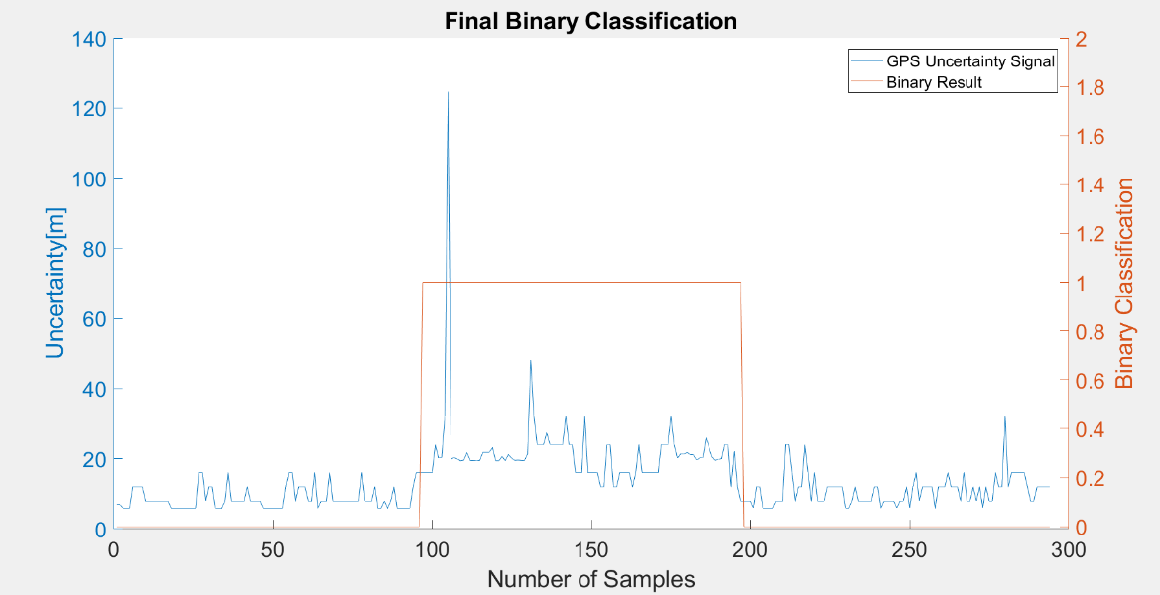
12 | 0 |  | n=294 |  | indoor | outdoor | SUM
12 | 0 |  |  |  | T | F
8 | 0 |  | indoor | T | 100 | 18 | 118 |  | sum | 294
8 | 0 |  | outdoor | F | 0 | 176 | 176
8 | 0 |  | SUM |  | 100 | 194
8 | 0
8 | 0 |  |  |  | sum | 294
8 | 0
8 | 0 |  | TP or (Recall) | 0.84745762712 |  |  |  | Ground Truth
8 | 0 |  | TN | 1 |  |  |  | 83 | 201
6 | 0 |  | Precision | 1
6 | 0 |  | Accuracy | 0.9387755102
6 | 0 |  | F Score | 0.91743119266
6 | 0
6 | 0
6 | 0 |  | Ground truth: | large edges of GPS or light signal at entrances
6 | 0
6 | 0
6 | 0
16 | 0
16 | 0
8 | 0
12 | 0
12 | 0
6 | 0
6 | 0
6 | 0
8 | 0
16 | 0
8 | 0
8 | 0
8 | 0
8 | 0
8 | 0
12 | 0
8 | 0
8 | 0
8 | 0
8 | 0
6 | 0
6 | 0
6 | 0
6 | 0
6 | 0
6 | 0
6 | 0
12 | 0
16 | 0
16 | 0
8 | 0
12 | 0
12 | 0
12 | 0
8 | 0
8 | 0
16 | 0
6 | 0
8 | 0
8 | 0
8 | 0
16 | 0
8 | 0
8 | 0
8 | 0
8 | 0
8 | 0
8 | 0
8 | 0
8 | 0
8 | 0
16 | 0
8 | 0
8 | 0
8 | 0
12 | 0
6 | 0
6 | 0
8 | 0
6 | 0
8 | 0
12 | 0
6 | 0
6 | 0
6 | 0
6 | 0
6 | 0
12 | 0
16 | 0
16 | 0
16 | 1
16 | 1
16 | 1
16 | 1
24 | 1
20.148000717 | 1
20.36400032 | 1
32 | 1
124.56500244 | 1
19.930999756 | 1
20.274000168 | 1
19.903999329 | 1
19.398000717 | 1
19.587999344 | 1
21.659000397 | 1
19.504999161 | 1
19.490999222 | 1
19.406999588 | 1
19.520000458 | 1
21.763000488 | 1
21.788000107 | 1
21.773000717 | 1
23.158000946 | 1
19.444999695 | 1
19.38699913 | 1
20.579000473 | 1
19.465000153 | 1
21.169000626 | 1
20.125 | 1
19.525999069 | 1
19.583999634 | 1
19.513999939 | 1
19.445999146 | 1
21.325000763 | 1
48 | 1
32 | 1
24 | 1
24 | 1
24 | 1
27.357999802 | 1
24 | 1
24 | 1
24 | 1
24 | 1
24 | 1
32 | 1
24 | 1
24 | 1
16 | 1
16 | 1
16 | 1
32 | 1
16 | 1
16 | 1
16 | 1
16 | 1
12 | 1
12 | 1
24 | 1
24 | 1
12 | 1
12 | 1
16 | 1
16 | 1
16 | 1
16 | 1
12 | 1
16 | 1
24 | 1
16 | 1
16 | 1
16 | 1
16 | 1
16 | 1
16 | 1
24 | 1
24 | 1
24 | 1
32 | 1
24 | 1
20.11000061 | 1
21.319000244 | 1
21.316999435 | 1
21.745000839 | 1
21.166000366 | 1
21.11300087 | 1
19.600999832 | 1
20.191999435 | 1
20.312000275 | 1
25.868999481 | 1
23.243999481 | 1
20.586000443 | 1
19.534999847 | 1
19.76499939 | 1
20.021999359 | 1
24 | 1
24 | 1
12 | 1
22.020000458 | 1
12 | 1
8 | 1
8 | 0
8 | 0
8 | 0
6 | 0
12 | 0
12 | 0
6 | 0
6 | 0
6 | 0
6 | 0
8 | 0
8 | 0
8 | 0
24 | 0
24 | 0
16 | 0
8 | 0
12 | 0
12 | 0
24 | 0
16 | 0
8 | 0
16 | 0
8 | 0
8 | 0
8 | 0
12 | 0
12 | 0
12 | 0
12 | 0
12 | 0
12 | 0
6 | 0
6 | 0
8 | 0
12 | 0
8 | 0
8 | 0
8 | 0
8 | 0
8 | 0
12 | 0
12 | 0
6 | 0
8 | 0
8 | 0
8 | 0
8 | 0
6 | 0
8 | 0
8 | 0
12 | 0
6 | 0
12 | 0
16 | 0
8 | 0
12 | 0
12 | 0
12 | 0
12 | 0
6 | 0
12 | 0
12 | 0
12 | 0
16 | 0
12 | 0
12 | 0
12 | 0
8 | 0
16 | 0
8 | 0
8 | 0
12 | 0
8 | 0
12 | 0
6 | 0
12 | 0
8 | 0
8 | 0
16 | 0
12 | 0
12 | 0
32 | 0
12 | 0
16 | 0
16 | 0
16 | 0
16 | 0
16 | 0
12 | 0
8 | 0
8 | 0
12 | 0
12 | 0
12 | 0
12 | 0
12 | 0

